5G Icon
 | Technology | UE Icon

 | 5G | 5G | See GSMA Recommendation on 5G Status Indicator document ( latest version available) CONFIG D

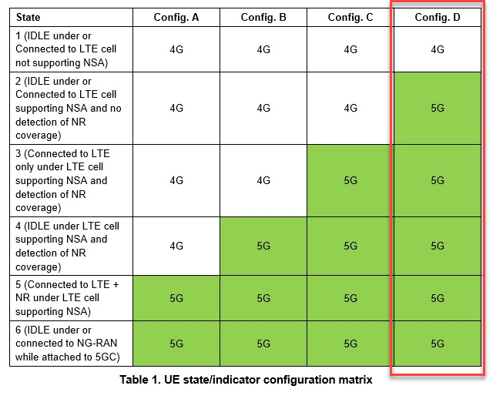

On network must be both parameters configured as follow: Additional, always have to set the ULI=1 for anchors and 0 for non anchor LTE cells. It is also important that broadcasting of the upper layer indicator configuration be done. |  |  |  | 5G Icon Parameters

 |  |  |  | Upper Layer Indication IE | TRUE
 |  |  |  | Restricted DCNR | (=0)

 |  |  |  | Preferred Network Type view:

